1.启动
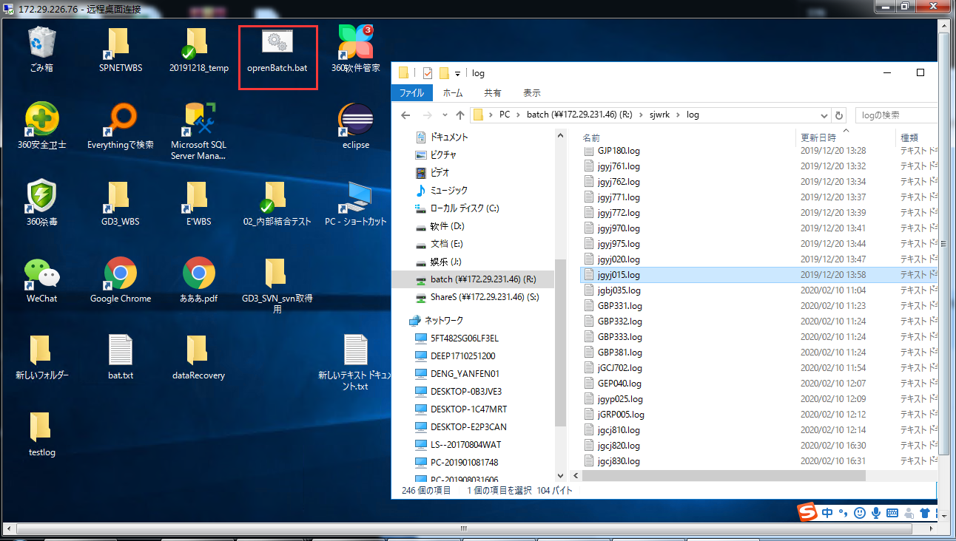
76机器连接信息： |  | 143机器连接信息： |  | 139机器信息
 | 172.29.226.76 |  | 172.29.231.143 |  | 172.29.231.139
 | administrator |  | administrator |  | administrator
 | Purvar_123 |  | Founder123 |  | Purvar123
batch运行命令： r:\gd\bat\jgbj035.bat {サーバー名} gdgym

双击桌面的openBatch.bat，输入jgbj035.bat {サーバー名} gdgym，其中{サーバー名}填服务器名即jgcj030i2.bat 172.29.226.76 gdgym

log在r:\s jwrk\1og\jgdj015.1og

问题1
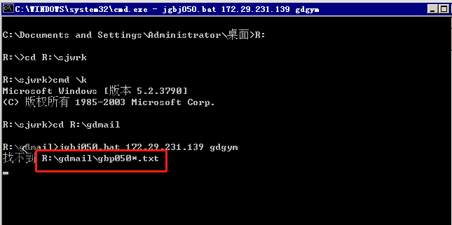
第一次在143上运行的错误
 | エラー : ユーザーが選択されていません。 -U または -E スイッチを使用して試してください
 | エラー : ユーザーが選択されていません。 -U または -E スイッチを使用して試してください
 | gyp210 abnormal end

 | 解决方法
 |  | https://redmine-skgd3-local.founder.co.jp/issues/72
 |  | 添加环境变量：
 |  | osqluser | gd-sa
 |  | osqlpassword | gd-sa

测试书第五行：jgbj050.bat
 | 错误：找不到R:\gdmail\gbp0501.txt |  |  | 解决方法： | 参考票#185

Sheet1
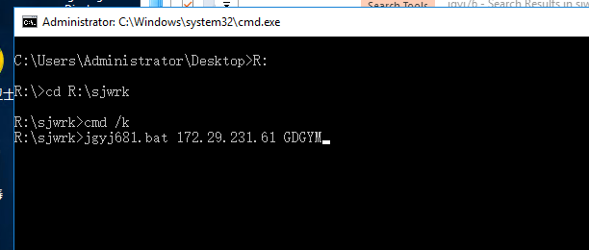
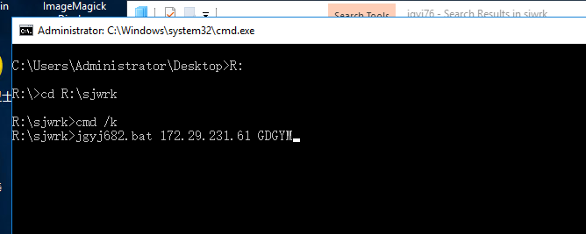
1.按快捷键win + R，输入mstsc,点确认，之后会出现第二张截图，输入连接机器的ip，点连接

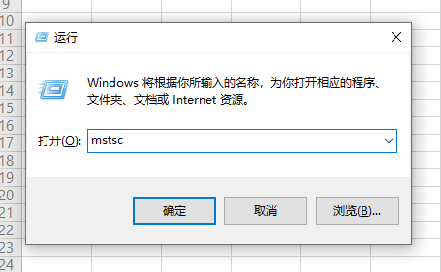
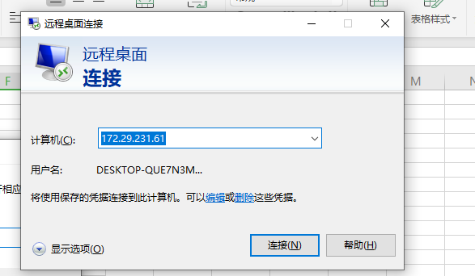

2.然后就进入到远程连接的机器的桌面了！

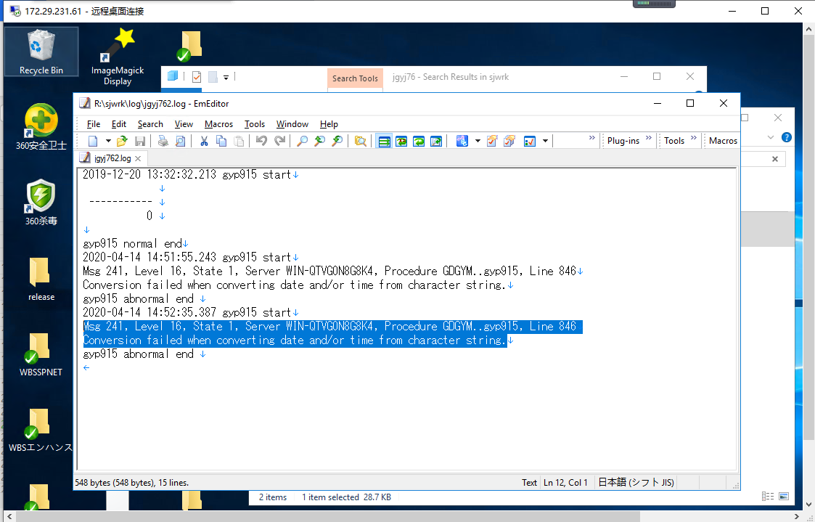

3.在batch式样书查看要运行的batch的启动需要的参数

4。例如jgyj682.bat 这个batch，先看L列先行ユニットID，如果有值，说明这个batch要在其他batch执行完之后在执行
jgyj682.bat这个batch就有值，那就在F列去找到这个值对应的batch，
jgyj682.bat要在jgyj681.bat之后执行
然后就是G和i这两个
 | r:\sjwrk\jgyj682.bat | 这个是batch文件存放的位置
 | {サーバー名} gdgym | 这个是运行是的参数
 | 如果在r:\sjwrk\这个目录下面，可以直接点桌面的openR.bat或者是openBatch.bat
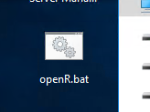

双击桌面的openR.bat，输入jgbj681.bat {サーバー名} gdgym，其中{サーバー名}填服务器名即jgcj681.bat 172.29.231.61 gdgym
先执行jgyj681.bat, 在执行jgyj682.bat

